INTRO
Planning Level Cost Estimating Tool For Bicycle Infrastructure Projects
This tool was developed by the Maryland Department of Transportation (MDOT) to provide guidance to local jurisdictions on project costs associated with planning and designing bicycle facilities. Cost estimates included in this tool were sourced from Bikeways Network Program projects from 2023-2025: 18 projects from these grant cycles were reviewed and included as references for these estimates (listed in "Reference Data"). This tool includes common planning level expenses for three design stages: feasibility, semifinal design, and final design. This tool does not account for all expected costs and is not intended to serve as a substitute for third-party cost estimates. | 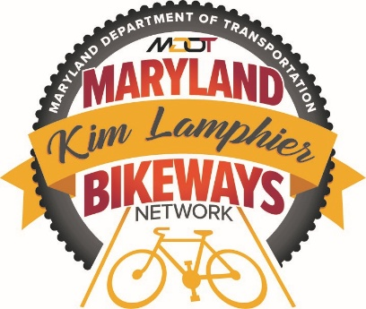
Review the MDOT Bikeways Network Program Application Recommendations & Project Deliverables for detailed project tasks and deliverables.
This tool provides ranges for potential costs categorized as low, mid, and high. Users should select the appropriate cost range in the orange fields to calculate total project costs. Users should use their best judgement to select the appropriate cost range based on project scope and jurisdiction size.
There are many project elements that affect costs. Variables to consider when selecting the appropriate cost range include: the number of sites in existing condtions, number of alternatives evaluated, number of engagement events, etc.
Updated: August 2026

